DevCfg
LPDDR5 SDRAM Configuration

Parameter | Condition | VDD1 Value | VDD2H Value | VDD2L Value | VDDQ Value | Units

 | Select the channel configuration below | 1
 | Number of DQs per DRAM | 16 |  |  |  | n/a
 | Number of WCKs per DRAM | 4
 | Number of RDQSs per DRAM | 4
 | Number of DMI pins per DRAM | 2

VDD | Maximum VDD | 1.95 | 1.12 | 0.97 | 0.57 | V
 | Minimum VDD | 1.7 | 1.01 | 0.87 | 0.47 | V

IDD0 | Maximum active precharge current | 2.8 | 25 | 0.25 | 0.75 | mA
IDD2P | Maximum precharge power-down standby current | 1.3 | 2 | 0.25 | 0.75 | mA
IDD2N | Maximum precharge standby current | 1.3 | 16 | 0.25 | 0.75 | mA
IDD3P | Maximum active power-down standby current | 1.5 | 4.8 | 0.25 | 0.75 | mA
IDD3N | Maximum active standby current | 2 | 18 | 0.25 | 0.75 | mA
IDD4R | Maximum read burst current | 7.8 | 426 | 0.25 |  | mA
Copy and paste IDD values in "LPDDR5 Specs" tab or request IDD values to Micron and fill.
The current values reflect IDD values for Y2BM,x16mode,-036 speed grade
IDD4W | Maximum write burst current | 5.8 | 252 | 0.25 | 0.75 | mA
IDD5 | Maximum burst refresh current | 12 | 90 | 0.25 | 0.75 | mA
IDD6 | Maximum self refresh current | 2 | 5.3 | 0.25 | 0.75 | mA

wck clock | tWCK used for current measurements (see current notes) | 0.364 |  |  |  | ns
tRRD | Minimum activate-to-activate timing (different bank) | 5 |  |  |  | ns
tRC | Minimum activate-to-activate timing (same bank) | 60 |  |  |  | ns
tRAS | tRAS used for IDD0 calculation | 42 |  |  |  | ns
tRFC,MIN | Minimum refresh-to-refresh cycle time | 280 |  |  |  | ns
tREFI | Average periodic refresh cycle time | 3.9 |  |  |  | µs

Channel Configuration

SoC
LPDDR5 die0
(x16)
LPDDR5 die1
(x16)
Rank0
Rank1
SoC
LPDDR5 die0
(x16)
Rank0
SoC
LPDDR5 die0
(x8)
LPDDR5 die1
(x8)
LDQ
UDQ
Rank0
SoC
LPDDR5 die1
(x8)
LPDDR5 die2
(x8)
Rank0
Rank1
LPDDR5 die3
(x8)
LPDDR5 die0
(x8)
Rank1
Rank0
LDQ
UDQ
Config. 1
Config. 2
Config. 3
Config. 4

Usage
LPDDR5 Usage Conditions in the System Environment
B | C | D |  | E | F
Parameter | Value |  |  |  | Detail
VDD1/VDD2H/VDD2L/VDDQ | 1.95 | 1.12 | 0.97 | 0.57
WCK frequency (MHz) | 2750
Burst length | 16

LPDDR5 output DC power per individual DQ during READs (SoC ODT on) | 0.68 | mW |  |  | A usage factor 1/2 is applied in the formula because power is consumed only when the data is HIGH. Also assuming the signal swing is 0.5*VDDQ for terminated conditions.
LPDDR5 termination power per individual DQ during WRITEs | 0.51 | mW
LPDDR5 NT ODT termination power per individual DQ during READs or WRITEs | 0.51 | mW
LPDDR5 WCK termination power per individual WCK | 0.51 | mW
LPDDR5 output AC power per individual DQ | 0.56 | mW |  |  | This output driver power per DQ on the DRAM is specific to each system design and must be calculated. DQ power is typically calculated using the equation P=CV^2f. example: PDQ(RD) = 5pF × (1.3V)^2 × 400 MHz = 3.4mW. A usage factor (i.e. 1/2 or 2/3) can also be applied since not all DQ will switch simultaneously at the maximum system data rate. Note: f is the average frequency of the data. For DDR, data switches twice per WCK cycle.
Is DQ terminated during READs? | 2 |  |  |  | 1: Not terminated 2: Terminated
If yes, equivalent SoC DQ term (MR17OP[2:0]) | 60 | ohm
Is WCK terminated? | 2 |  |  |  | 1: Not terminated 2: Terminated
If yes, WCK term | 80 | ohm
Is DQ terminated during WRITEs? | 2 |  |  |  | 1: Not terminated 2: Terminated
If yes, LPDDR5 DQ term (T-ODT) | 80 | ohm
Is NT ODT enabled during READs or WRITEs? | 2 |  |  |  | 1: NT ODT Disabled 2: NT ODT Enabled (select 1 for 1-rank systems)
If yes, NT ODT value | 80 | ohm

Page Hit Rate | 45%
The percentage of clock cycles which are outputting read data from the DRAM | 36%
The percentage of clock cycles which are inputting write data to the DRAM | 12%
The percentage of clock cycles where the rank is not reading or writing but NT ODT is enabled. | 30%
The average time between ACT commands to this DRAM (includes ACT to same or different banks in the same DRAM device) - Time is in nsec | 11 |  |  |  | This value is calculated, no input required.

Percentage of time that the DRAM is in all banks precharged state. | 40%
The percentage of the time for which the device is in power-down. | 10%
The percentage of the idle time for which the device is in self refresh. | 80%
Percentage of time that the DRAM is in the active state, but not reading or writing. | 12% |  |  |  | This value is calculated, no input required.
Percentage of the total active power-down time. | 10%

Values that may be updated are shown in green. These values are to be updated by the user according to how the system accesses the DRAM.

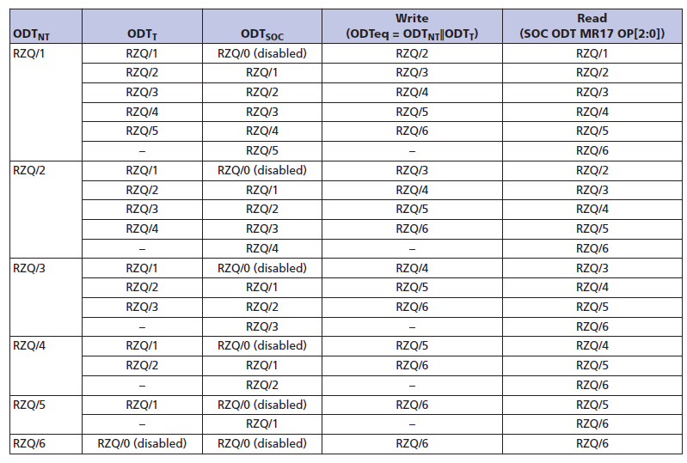

Note
1. Numbers in C23,C24,C25,C26,C29,C30,and C31 are just example for the usage condition below.
AllBanksPrecharged 40%
IDD2P state 10%
IDD6 state(SELF w/ PDN) 80%
IDD2N state 10%
Bank active 60%
PDN 10%
NonPDN 90% ACTV STDBY 10%
R/W 90% | <-- R/W%=0.6*0.9*0.9=48%(=36%+12%)

2. ODT termination power is treated as Rx(receiver) power in this calculator.

3. How average ACT command interval is estimated (C27)
Assumption
* tRCD,tRP,RL,WL can be hidden using multi bank access.
* For page miss read or write access, every Read/Write access requires ACT command to be issued.
* BL/2 is the # of clk cycles for 1 read access or 1 write access, which will result in 1 ACT command for page miss access

# of clk cycles for 1 column access: BL/2
Column command bus utilization%=Read%+Write%=C24+C25
PageMiss%=1-PageHit%=1-C23
ACT command interval in clock cycles = BL/2 / (Read%+Write%) / PageMiss%

Summary
Power Consumption By LPDDR5
Performance Summary
Read Bandwidth | 3960 | MB/sec
Write Bandwidth | 1320 | MB/sec
Bus Idle Time | 0.5
Power Consumption Summary
PPRE_PDN | 0.2 | mW
PPRE_STBY | 0.8 | mW
PACT_PDN | 0.5 | mW
PACT_STBY | 13.0 | mW
PREF | 4.9 | mW
PSREF | 3.1 | mW
 |  | mW
Total Background Power | 22.5 | mW
PACT | 57.2 | mW
Total Activate Power | 57.2 | mW
PWR | 32.4 | mW
PRD | 168.7 | mW
PDQ_RD_ac | 4.4 | mW
PNTODT, TERM | 2.7 | mW
PWCK, TERM | 1.0 | mW
PRD, TERM | 5.4 | mW
PWR, TERM | 1.1 | mW
Total Read/Write Power | 215.7 | mW
Total LPDDR5 SDRAM Power | 295.4 | mW

Power Consumption Breakout
PPRE_PDN | 0.2
PPRE_STBY | 0.8
PACT_PDN | 0.5
PACT_STBY | 13.0
PREF | 4.9
PSREF | 3.1
PACT | 57.2
PWR | 32.4
PRD | 168.7
PDQ_RD_ac | 4.4
PNTODT, TERM | 2.7
PWCK, TERM | 1.0
PRD, TERM | 5.4
PWR, TERM | 1.1

